RFM
RFM and Segmentation Analyse

Key metrics |  | Value | Description
R | Average Recency | 90.5 | Customers, on average, last purchased around 90 days ago. Re-engagement campaigns could help bring them back sooner.
F | Average Frequency | 4.16 | Customers make about 4-5 purchases per year. Loyalty programs and targeted offers could increase this rate.
M | Average Monetry | 1962 | Customers spend a significant amount annually. Maintaining this high value is crucial, with a focus on keeping high-value customers engaged.

Customer Segmentation %
Customer Segmentation
Customer type | % | Description
Best Customers | 7.33 | These are high-value customers who purchase frequently and have made recent purchases. Focus on retaining these customers with loyalty programs and personalized offers.
Big Spenders | 10.43 | Customers who spend a lot but may not purchase frequently. Incentivize repeat purchases through exclusive deals and promotions.
Loyal Customers | 11.70 | Customers who purchase frequently but might not spend as much. Encourage higher spending with upselling and cross-selling strategies.
Lost Customers | 16.70 | Customers who haven’t made purchases recently. Re-engage them with win-back campaigns and special discounts.
Other | 53.84 | These are less engaged or one-time customers. Analyze their behaviors to identify potential opportunities for improvement.

Note: For clarity, customers without a ID are excluded to ensure the accuracy of frequency and recency calculations.

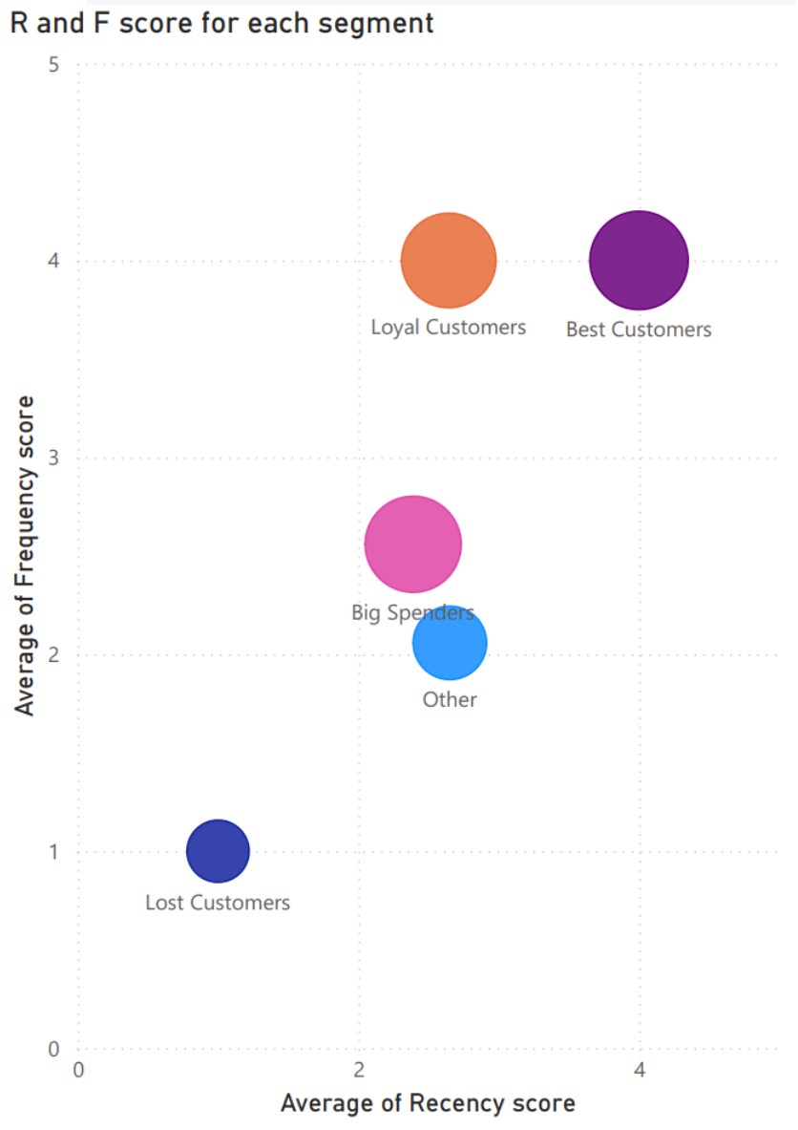

 |  |  |  | High Recency and Frequency (Best and Loyal Customers): These customers are primary focus for retention. Retention strategies, such as loyalty programs or early access to new products, could further enhance their engagement and drive repeat purchases.
 |  |  |  | High Monetary but Lower Frequency (Big Spenders):These customers make substantial purchases but visit less frequently, perhaps stocking up on items like seasonal decorations or bulk-buy gifts. Targeted incentives—such as bundle offers, exclusive discounts, or seasonal reminders—may encourage them to buy more frequently throughout the year.
 |  |  |  | Low Recency and Frequency (Lost Customers): This group has shown minimal engagement recently. Re-engagement campaigns with personalized discounts or reminders of popular, affordable items (like greeting cards or ornaments) may help draw them back, especially around peak seasons such as holidays and birthdays.

 |  |  |  | Conclusions
 |  |  |  | RFM analysis reveals that while customers may spend significant amounts per visit, they purchase infrequently and have not engaged recently. Boosting purchase frequency and reducing the time since their last visit can be achieved by implementing re-engagement campaigns and loyalty incentives. Offering curated product bundles, limited-time offers, and seasonal reminders can drive more frequent purchases, helping to foster continuous growth.

